CELEBRITY BAKERY (Bakery)
DATE | INV.NO | DESCRIPTION | QTY | BILLS | PRICE | SUBTOTAL | TOTAL | Rp110,000
2026-03-13 | DLV/CUS00453/130326/00001 | SOUR BREAD 500 GR GLUTTENFREE | 1 | 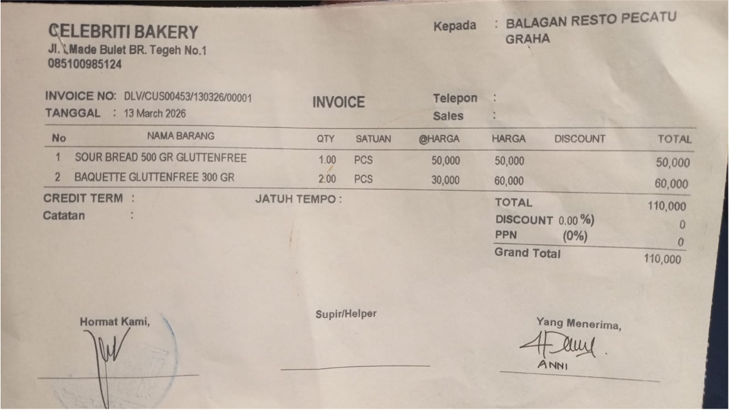 | Rp50,000 | Rp50,000 | Rp110,000
 |  | BAQUETTE GLUTTENFREE 300 GR | 2 |  | Rp30,000 | Rp60,000

TOTAL |  |  |  | Rp110,000

